Sheet1
LaTeX Tips from Other Students
Topic | Solution | Date Added

The original template generates a table of contents that lists the chapters as "1, 2, 3" instead of "Chapter 1, Chapter 2, Chapter 3." | To include the word "Chapter," the following few lines of code need to be added to the beginning of the template file after the "\usepackage{titletoc}" command: | 2020-09-15

 | \titlecontents{chapter}%
 | [0pt]% <left>
 | {\bfseries}% <above-code>
 | {\chaptername\ \thecontentslabel \textnormal:\quad}% <numbered-entry-format>
 | {}% <numberless-entry-format>
 | {\hfill\contentspage}% <filler-page-format>

How to make the footnote numbering sequence run continuously throughout all the chapters, rather than having the footnote number sequence reset at footnote 1 at the beginning of every new chapter: | The solution is to put the following two lines: | 2020-09-15

 | \usepackage{chngcntr}
 | \counterwithout{footnote}{chapter}

 | in the .tex file's preamble where the LaTex packages are declared and it should
 | provide continuous footnote counting throughout all the chapters.

Embedding and Subsetting fonts in final PDF | Solution #1: I follow the steps in this video https://www.youtube.com/watch?v=KIcl35p_iZo. 1. open the PDF document using Adobe Acrobat Pro (Windows version, I encounter some problems when using Mac version). 2. File -> Print: choose Adobe PDF as Printer, click Properties, choose "High Quality Print" in Default Settings under "Adobe PDF Settings" tab, click OK, and click print. | 2021-04-01
 | Solution #2: This command solved the issue \usepackage{lmodern} It was the last command I added. Here is where I found it https://tex.stackexchange.com/questions/73766/location-of-type3-font-being-used-in-my-document/73827#73827 Location of Type3 font being used in my document? When I was looking at the types of fonts being used in my LaTeX document compiled using pdflatex, I found one Type3 font called F209. A Google search told me that Type3 fonts are also called pk f... tex.stackexchange.com | 2021-04-01

To include the page number in additional pages in the Acknowledgements section | To include the page number in additional pages in the Acknowledgements section, the latex template umdiss must be changed. In the section \newenvironment{dissacknowledgments}, the \newpage command must be deleted. If this is not deleted, additional pages do not display page number. With that said, please see attached. | 2021-04-01

NOTE: The above is a screenshot of the student's instructions with color. To the right is the same information as above but in a form that can be copied and pasted. | \newenvironment{dissacknowledgments}{ %\doublespace\small\normalsize \chapter*{\dissacknowledgmenthead \@mkboth{\uppercase{\dissacknowledgmenthead}} {\uppercase{\dissacknowledgmenthead}}} % \begin{spacing}{\@defaultbaselinestretch}} \begin{spacing}{1.5}} { \end{spacing} \par \vspace{5mm} \raggedleft \@dissacknowledgmentsigname \\[1mm] \raggedright \@dissacknowledgmentsigplace \newpage}

Embedding and Subsetting fonts in final PDF | The fonts were embedded and subset in my PDF because I used"Computer Modern", which is the default font in LaTeX. If the default font is used, rather than something fancier, I think the fonts should embed and subset. | 2021-12-15

Embedding and Subsetting fonts in final PDF | If you are able to compile the latex file into a PDF, I believe the process to embed and subset the document should be the same. With the compiled PDF open, I just print the document as Adobe PDF with the correct properties settings (i.e. embed all fonts and subset embedded fonts checked). | 2022-04-26

Embedding and Subsetting fonts in final PDF | We just need to print it with high quality and save it (see the link below). https://www.youtube.com/watch?v=1BNORr4nbQE | 2023-07-15

Embedding and Subsetting fonts in final PDF | I like to lay down the way that I have fixed the fonts issue in the document which may be helpful for future use at UM (also please see the printscreen image). |  | 2023-07-19

 | 1 | Choose and click on "Preflight" on Adobe
 | 2 | Go to "Standards" tab
 | 3 | Save as PDF/E (X or A) and continue (I found first one (PDF/E) more consistent at the final document)
 | 4 | Save as PDF/E1 and continue
 | 5 | Apply corrections and save as
 | 6 | You have your final PDF without any further fonts issue
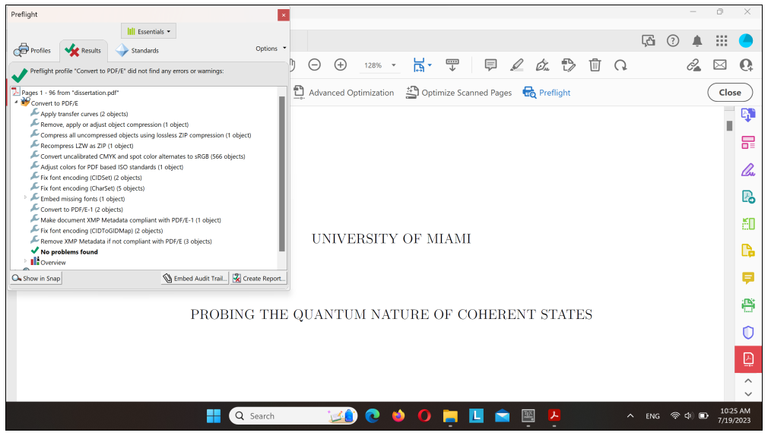

Embedding and Subsetting fonts in final PDF | I redid the steps listed here, https://www.overleaf.com/learn/latex/Questions/My_submission_was_rejected_by_the_journal_because_%22Font_XYZ_is_not_embedded%22._H_can_I_do%3F , after doing so, the fonts show up as "embedded subset" and not "embedded" . I'm not sure what changed, but it appears to be working now. I think my case is a smaller subset of latex users (i use overleaf, which is run from my browser not computer) so, I don't know if sharing the link in the latex workarounds is applicable. | 2023-11-05

Which of the two template versions is best? | a recent student who requested the templates and looked them over noted that “the template called LaTeX template 11-22-20 is more comprehensive and instructional. It has stated clearly how to adjust the references and equations” and recommended that I share this information with other students who request use of the templates. | 2024-01-02

